Definitions
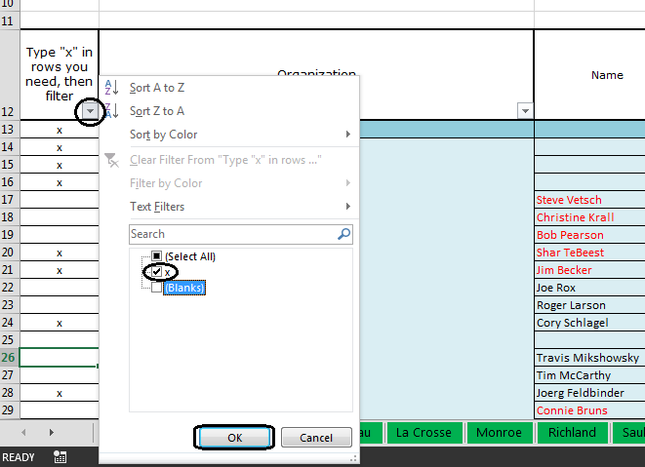
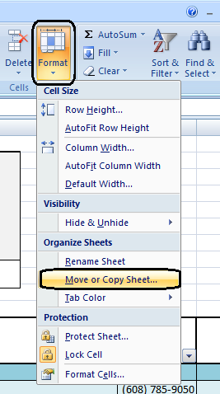
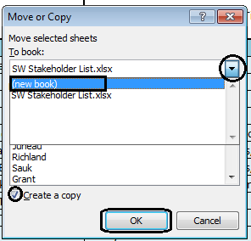
Instructions:
This workbook contains a stakeholder list for each county in the region. It was created to make it easier to access contact information needed for your projects. Each county has SW Region Internal contacts, Central Office contacts, and outside agency contacts. The list of outside agency contacts can help you brainstorm which people or groups outside of the DOT may be affected and therefore, may need to be involved. This list should be a starting point for determining the contacts you need for your project. Also, you will notice columns labeled "Influence / Impact Analysis (MN, KI, KS, MC)" and "Engagement Level (UN, RS, NT, SP, CH)". The information shown in the table to the right can aid you in determining what code to put in these columns for each contact. This will help you determine what stakeholders have the most influence and engagement. They may need to be contacted more frequently, as shown in the grid to the right, you should "keep them satisfied" and "managed closely." Having this information in your stakeholder list will be a helpful reminder of the top priority stakeholders.
It is very easy to create a stakeholder list customized for your project.
1. Start by selecting your county tab at the bottom.
2. Fill in the project information listed at the top of the page.
3. Next, you can customize your list by filtering out the contacts which you do not need. To do this start by putting an "x" in Column A for all of the rows/contacts which pertain to your project. When your finished with that click the drop down arrow. The options shown in the picture below will appear, uncheck the box that says (blanks) so that way only the box next to "x" is checked. After your done doing that click OK. Excel will automatically hide all of the rows which you do not have an "x" in, so you will be left with only the contacts you need.
4. After you are left with only the contacts you need for you project, select Format at the top. Click Move or Copy Sheet. The Move or Copy window will open, click on the down arrow and select (new book). Check the Create a copy box at the bottom and click OK. This will open a new workbook with just your list in it.
5. Save and print your list for your use. You can also add new rows if you find there is other important contacts missing.
NOTE: The names in this spreadsheet may be outdated. It is your responsibility to verify that the names are correct and make any changes necessary. Use the information link provided to access a website or directory where you can find current contact information.

