PermitEvaluationAid
Overweight Permit Bridge Evaluation Aid |  |  |  | Disclaimer: This worksheet is provided by WisDOT Bureau of Structures as a screening and documentation tool for local agencies to evaluate overweight permit loads on bridges. Users of this tool should check the WisDOT Bureau of Structures website regularly for updated versions. It enables visual comparison of the permit vehicle to standard vehicle load ratings recorded in the Highway Structure Information System (HSIS). Load ratings recorded in HSIS are based on latest inspection and construction information provided to the Bureau of Structures. A delay may exist from the most recent inspection or construction until HSIS is updated (typically up to three months). Final decisions on all permit approvals are the responsibility of the bridge owner or its delegate.
v.2026.03.25

Permit ID: |  | Evaluated By: |  |  | Instructions:
Date: |  | Agency: |  |  | 1. Enter Permit Truck Axle Weight and Axle Spacing
 |  |  |  |  | 2. Enter Bridge IDs and Load Rating Data. Examples using two HSIS data sources are shown in additional tabs.
Permit Truck Axle Weights and Spacing (Step 1) |  |  |  |  | 3. Review Truck Comparison Chart below to view the Permit Vehicle configuration compared to the Wisconsin Standard Permit Vehicle (Wis-SPV) and other load rating trucks. Use the "Include?" column in Step 2 to include or omit any truck from the chart.
Axle No. | Axle Weight (kips) | Axle Spacing (ft) | Axle Location (ft)
1 |  | --- | 0 |  | 4. Record final decisions for approval, denial, or travel restrictions (if applicable).
2 |  |  |  |  | 5. If the comparison does not provide sufficient confidence in approval, or if load rating information available in HSIS appears to be outdated or inadquate for evaluation, Bureau of Structures Load Rating Unit may be contacted for assistance (bridge.ratings@dot.wi.gov).
3
4
5 |  |  |  |  |  |  |  | HSIS Load Rating Data for Bridges (Step 2)
6 |  |  |  |  | Truck | Include? | Min. | B-XX-XXX
7 |  |  |  |  | Wis-SPV | Yes | 0
8 |  |  |  |  | Type 3 | No
9 |  |  |  |  | Type 3S2 | No
10 |  |  |  |  | Type 3-3 | No
11 |  |  |  |  | SU4 | No
12 |  |  |  |  | SU5 | No
13 |  |  |  |  | SU6 | No
14 |  |  |  |  | SU7 | No
15 |  |  |  |  | PUP | No
16 |  |  |  |  | Semi | No
17
18 |  |  |  |  | Bridge Evaluation Determination (Step 4)
19
20
TOTAL | 0.0 | 0.0

Truck Comparison Chart (Step 3)

- This chart compares the Permit Truck (in red) to standard load rating vehicle configurations.
- For standard load rating vehicle configurations, the gross weight and axle weights are represented by their defined weight (in Ch. 45 of the Wisconsin Bridge Manual) multipled by the calculated rating factor.
- Maximum gross weight is shown on the left as [Vehicle] x [Rating Factor] = [Maximum Gross Weight], with distribution of individual axle loads (in kips) shown above each axle.
- The Wisconsin Standard Permit vehicle (in black) is the typically the best configuration comparison for single-trip permit loads.
- The PUP and Semi (in gray) represent logging trucks and other similar annual permit loads. Their configuration may also be a useful comparison for some single-trip permit loads.
- The AASHTO legal vehicles (in blue) represent configurations used for legal limits and weight limit postings. The calculated maximum allowable loads may be useful for comparison to short, compact permit loads.

 | Permit Truck = 0 k - |  | Wis-SPV x 0 = 0 k - |  | #VALUE! |  | #VALUE! |  | #VALUE! |  | #VALUE! |  | #VALUE! |  | #VALUE! |  | #VALUE! |  | #VALUE! |  | #VALUE!
0 | #N/A | 0 | #N/A | 0 | #N/A | 0 | #N/A | 0 | #N/A | 0 | #N/A | 0 | #N/A | 0 | #N/A | 0 | #N/A | 0 | #N/A | 0 | #N/A
0 | #N/A | 13 | #N/A | 15 | #N/A | 11 | #N/A | 15 | #N/A | 10 | #N/A | 10 | #N/A | 10 | #N/A | 10 | #N/A | 17 | #N/A | 13 | #N/A
0 | #N/A | 17 | #N/A | 19 | #N/A | 15 | #N/A | 19 | #N/A | 14 | #N/A | 14 | #N/A | 14 | #N/A | 14 | #N/A | 21 | #N/A | 17 | #N/A
0 | #N/A | 21 | #N/A | 0 | #N/A | 37 | #N/A | 34 | #N/A | 18 | #N/A | 18 | #N/A | 18 | #N/A | 18 | #N/A | 25 | #N/A | 43 | #N/A
0 | #N/A | 51 | #N/A |  |  | 41 | #N/A | 50 | #N/A | 0 | #N/A | 22 | #N/A | 22 | #N/A | 22 | #N/A | 35 | #N/A | 47 | #N/A
0 | #N/A | 55 | #N/A |  |  | 0 | #N/A | 54 | #N/A |  |  | 0 | #N/A | 26 | #N/A | 26 | #N/A | 51 | #N/A | 51 | #N/A
0 | #N/A | 59 | #N/A |  |  |  |  | 0 | #N/A |  |  |  |  | 0 | #N/A | 30 | #N/A | 0 | #N/A | 0 | #N/A
0 | #N/A | 63 | #N/A |  |  |  |  |  |  |  |  |  |  |  |  | 0 | #N/A
0 | #N/A | 0 | #N/A
0 | #N/A
0 | #N/A
0 | #N/A
0 | #N/A
0 | #N/A
0 | #N/A
0 | #N/A
0 | #N/A
0 | #N/A
0 | #N/A
0 | #N/A
0 | #N/A

Example-LoadRatingSummaryForm
Example bridge using Load Rating Summary Form data
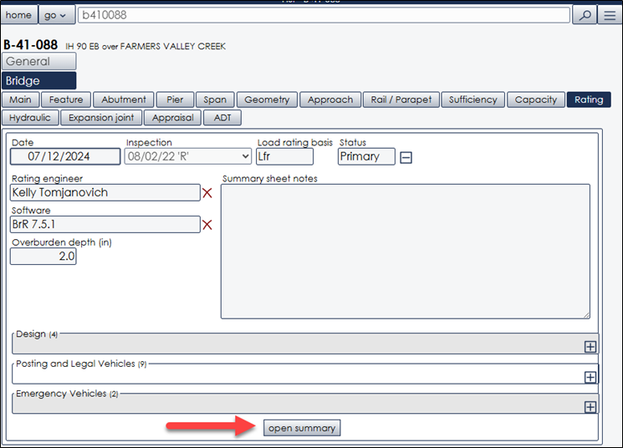
Truck | B-41-88 | Instructions:
Wis-SPV | 353 | To view the most recent Load Rating Summary Form:
Type 3 | 1.95
Type 3S2 | 2.15 | 1. Go to the HSIS Rating Tab
Type 3-3 | 2.31
SU4 | 1.68 | 2. Scroll to the bottom and click Open Summary to download the PDF.
SU5 | 1.54
SU6 | 1.41 | 3. Enter the Wis-SPV MVW and/or other vehicles' Rating Factors
SU7 | 1.32 | in the PermitEvaluationAid tab.
PUP | 2.79
Semi | 2.51 | If Rating Tab does not have data entered for bridges on common OSOW
 |  | routes, contact bridge.ratings@dot.wi.gov to request prioritization of
 |  | data entry. Alternatively, Capacity Tab may be used (see other example).
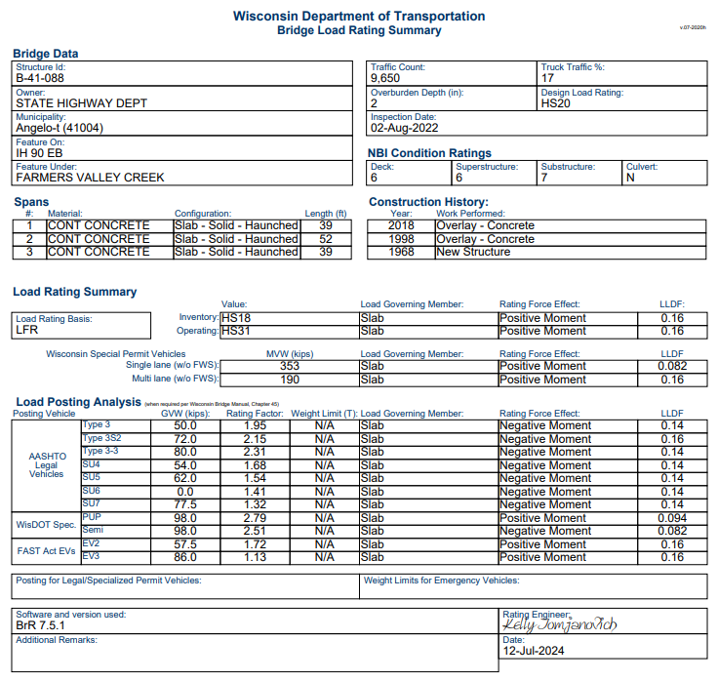

Example-CapacityTab
Example bridge using HSIS Capacity Tab data

Truck | B-1-34 | Note:
Wis-SPV | 250 | The HSIS Capacity Tab does not include load rating values for specific vehicles other than the Design Vehicles (Inventory/Operating Rating) and the Wis-SPV (Max Vehicle Weight). The Wis-SPV is usually the best comparison for most single-trip OSOW permit loads. The Capacity Tab has a cap of 250 kips for max vehicle weight. For loads exceeding the max vehicle weight in the Capacity Tab or with configurations that do not resemble the Wis-SPV, it is recommended to use data from the Rating Tab (see other example) or contact bridge.ratings@dot.wi.gov to request assistance.
Type 3
Type 3S2
Type 3-3
SU4
SU5
SU6
SU7
PUP
Semi
