Form
 |  |  |  |  |  |  |  | Version 1.4
 |  |  | Wisconsin Department of Transportation |  |  |  |  | (Rev. 2/22)
 |  |  | GUIDE FOR DETERMINING TIME REQUIREMENTS FOR
 |  |  | TRAFFIC SIGNAL PREEMPTION AT HIGHWAY-RAIL GRADE CROSSINGS

City |  |  |  |  |  |  | Date
County |  |  |  |  |  |  | Completed by
Region |  |  |  |  |  |  | Region Approval
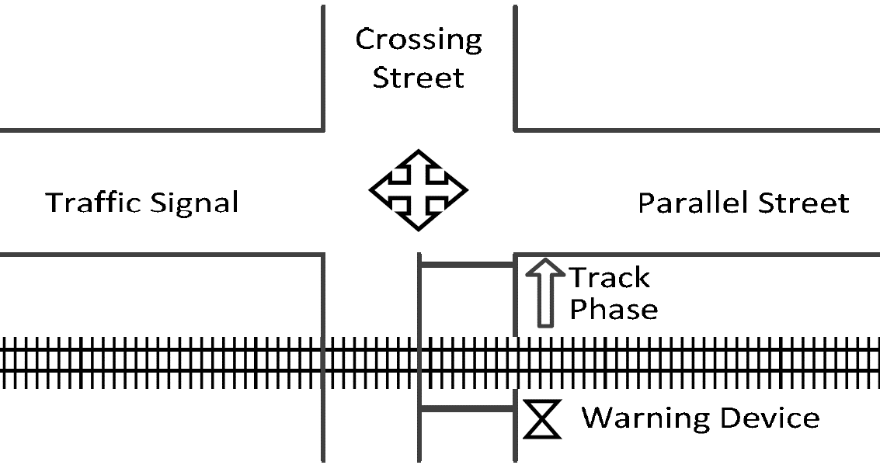
 |  |  |  |  |  |  | Parallel Street Name
 | Select North Arrow:
 |  | ↑

 |  |  |  |  |  |  | Crossing Street Name

Railroad |  |  |  |  |  |  | Railroad Contact
Crossing DOT # |  |  |  |  |  |  | Phone
M.P.

NOTE: After approval by the Region, a copy of this form, along with the traffic signal design sheets and the phasing diagrams for normal and preempted operation, shall be placed in the traffic signal cabinet. See Section 7 for traffic signal timings.

SECTION 1: GEOMETRY DATA & DEFAULTS

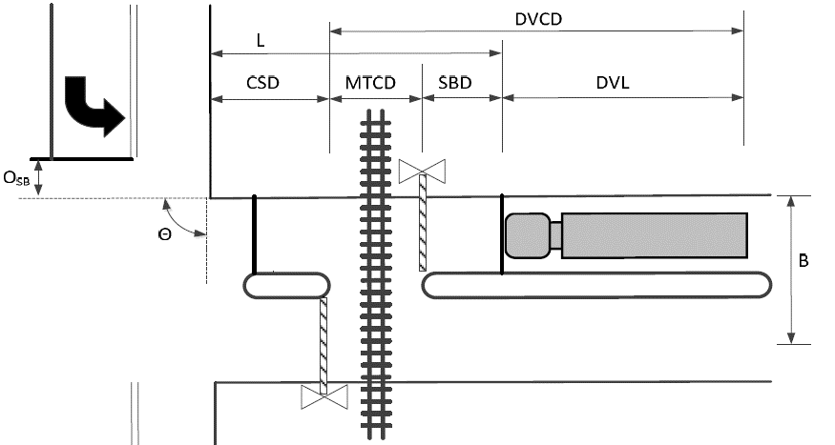
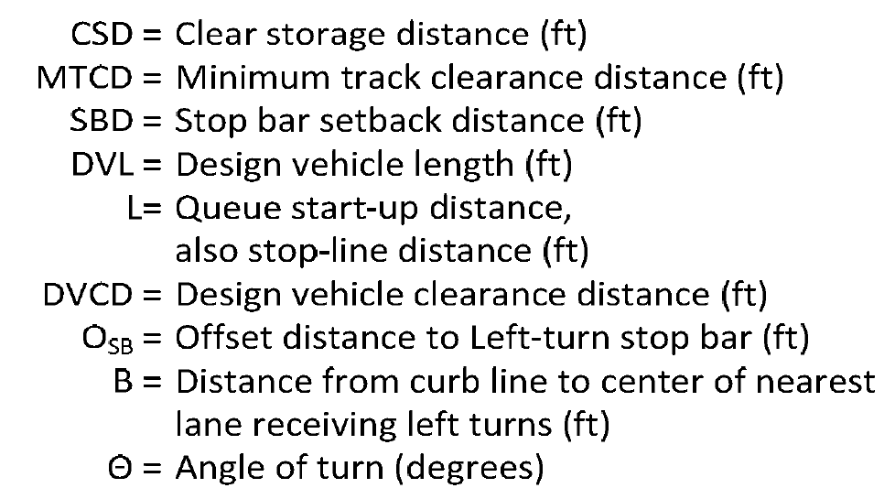

GEOMETRIC DATA FOR CROSSING |  |  |  |  |  | Remarks
1. | Clear storage distance (CSD, feet)…..................................................... |  |  | 1. | 0
2. | Minimum track clearance distance (MTCD, feet)…..................................................... |  |  | 2. | 17
3. | Stop bar setback distance (SBD, feet)…..................................................... |  |  | 3. | 8 | Enter "0" if no stop bar is present
4. | Width of receiving approach (B, feet)…..................................................... |  |  | 4. | 0
5. | Offset distance of left turn stop bar (OSB, feet)…..................................................... |  |  | 5. | 0
6. | Approach grade. % ( 0 if approach is on downgrade)…..................................................... |  |  | 6. | 5.0%
7. | Angle of turn at Intersection (θ, degrees)…............................... |  |  | 7. | 90

DESIGN VEHICLE DATA
8. | Select Design Vehicle from Dropdown |  |  | School Bus
9. | Default design vehicle length (feet)…..................................................... |  |  | 9. | 40 | Based on Selected Design Vehicle
 | a. | Additional vehicle length, if needed (feet)…............................... |  | 9a. | 0 | Use only if "Other" Selected as Design Vehicle
10. | Total design vehicle length (DVL, feet)…............................... |  |  | 10. | 40 | L9 + L9a
11. | Centerline turning radius of design vehicle (R, feet)…............................... |  |  | 11. | 35.4 | Based on Selected Design Vehicle
12. | Passenger car vehicle length (LV, feet)…............................... |  |  | 12. | 19 | Default Value

SECTION 2: RIGHT-OF-WAY TRANSFER TIME CALCULATION

Preempt verification and response time |  |  |  |  |  | Remarks
13. | Preempt delay time (seconds)…..................................................... |  |  | 13. | 0 | Typically not used
14. | Controller response time to preempt (seconds)…..................................................... |  |  | 14. | 0.0 | Manufacturer:
 |  |  |  |  |  | Firmware Version:
15. | Preempt verification and response time (seconds)…..................................................... |  |  | 15. | 0.0 | L13 + L14

Worst-case conflicting vehicle time
16. | Minimum green time during right-of-way transfer (seconds)…..................................................... |  |  | 16. | 7 | Value abjustable to meet local conditions
17. | Other green time during right-of-way transfer (seconds)…..................................................... |  |  | 17. | 0
18. | Yellow change time (seconds)…..................................................... |  |  | 18. | 0.0
19. | Red clearance time (seconds)….............................................................. |  |  | 19. | 0.0
20. | Worst-case conflicting vehicle time (seconds)…..................................................... |  |  | 20. | 7.0 | Sum of L16 through L19

Worst-case conflicting conflicting time |  |  |  |  |  | Remarks
21. | Minimum walk time during right-of-way transfer (seconds)…..................................................... |  |  | 21. | 0 | 0 is the default and recommended value
22. | Pedestrian clearance time during right-of-way transfer (seconds)…..................................................... |  |  | 22. | 0
23. | Vehicle yellow change time, if not included on line 22 (seconds)…............................... |  |  | 23. | 0.0
24. | Vehicle red clearance time, if not included on line 22 (seconds)…..................................................... |  |  | 24. | 0.0
25. | Worst-case conflicting pedestrian time (seconds)…............................... |  |  | 25. | 0.0 | Sum of L21 through L24

Worst-case conflicting vehicle or conflicting pedestrian time |  |  |  |  |  | Remarks
26. | Minimum walk time during right-of-way transfer (seconds)…..................................................... |  |  | 26. | 7.0 | maximum of L20 and L25
27. | Right-of-way transfer time (seconds): |  |  | 27. | 7.0 | L15 + L26

SECTION 3: QUEUE CLEARANCE TIME CALCULATION |  |  |  |  |  | Remarks

28. | Are there left-turns towards the tracks? (Select Yes/No)…..................................................... |  |  | 28. | No
29. | Distance traveled by truck during left-turn (LTL, feet)…..................................................... |  |  | 29. | 0 | LTL = πRθ/180
30. | Travel speed of left-turning truck (SLTT, mph)….................................................. |  |  | 30. | 10 | Default Value
31. | Distance required to clear left-turning truck from travel |  |  | 31. | 0 | Eqn: (L4 + L5 + L12 - L11 ) + L29 + L10
 | lanes on track clearance approach (feet)….....................................................
32. | Additional time required to clear left-turning truck from |  |  | 32. | 0.0 | Eqn: [(L31 * 3600) / (L30 * 5280) - L18 - L19]
 | travel lanes on track clearance approach (seconds)…...............................
33. | Worst-case Left Turning Truck time (seconds)…..................................................... |  |  | 33. | 0.0 | If L28 = 'Yes', use L32; otherwise use 0
34. | Queue start-up distance, L (feet)…...................................................................... |  |  | 34. | 25 | L1 + L2 + L3
35. | Time required for design vehicle to start moving (seconds)…..................................................... |  |  | 35. | 3.3 | 2 + (L34 ÷ 20)
36. | Design vehicle clearance distance, DVCD (feet)…............................... |  |  | 36. | 65 | L2 + L3 + L10
37. | Time for design vehicle to accelerate through DVCD (seconds)…..................................................... |  |  | 37. | 11.9 | Find value using Figure 3, given L36 & L8
38. | Factor to account for slower acceleration on uphill grade…............................... |  |  | 38. | 1.000 | Table 2 interpolation
39. | Time for design vehcle to accelerate through DVCD (seconds)…..................................................... |  |  | 39. | 11.9 | Adjusted for grade
40. | Queue clearance time (seconds)…........................................................................... |  |  | 40. | 15.2 | L33 + L35 + L39

SECTION 4: MAXIMUM PREEMPTION TIME CALCULATION |  |  |  |  |  | Remarks

41. | Right-of-way transfer time (seconds)…..................................................... |  |  | 41. | 7.0 | Line 27
42. | Queue clearance time (seconds)….................................................................... |  |  | 42. | 15.2 | Line 40
43. | Desired minimum separation time (seconds)….............................................. |  |  | 43. | 4.0 | Typical Value
44. | Maximum preemption time for Queue Clearance (seconds)…........................................................... |  |  | 44. | 26.2 | L41 + L42 + L43

SECTION 5: SUFFICIENT WARNING TIME CHECK |  |  |  |  |  | Remarks

45. | Required minimum time, MT (seconds): per regulations…..................................................... |  |  | 45. | 30 | Default Value
46. | Clearance time, CT (seconds)….................................................................... |  |  | 46. | 0 | (L2-35)/10 (rounded up to nearest second)
47. | Total minimum warning time, MWT, needed (seconds)….............................................. |  |  | 47. | 30.0 | L45 + L46 (excludes BT and ERT)
48. | Required advance preemption time (APT) from railroad (seconds)…........................................................... |  |  | 48. | 0 | L44 - L47 (rounded up to nearest full second)
49. | APT currently provided by railroad (seconds)…........................................................... |  |  | 49. |  | Enter "0" if new crossing or signal

If the required advance preemption time (line 48) is greater than the amount of advance preemption time currently provided by the railroad (line 49), additional warning time must be requested from the railroad. Alternatively, the maximum preemption time (line 48) may be decreased after performing an engineering study to investigate the possibility of reducing the values on lines 13, 16, 17, 21, 22 and 43.

Remarks:

SECTION 6: TRACK CLEARANCE GREEN TIME CALCULATION (IF NO GATE DOWN CIRCUIT PROVIDED) |  |  |  |  |  |  |  | (NOT TYPICALLY USED)
Preempt Trap Check |  |  |  |  |  | Remarks

50. | Warning Time Variability (Select One)…..................................................... |  |  | 50. | Consistent Warning Times
51. | APT required or provided (seconds)….................................................................... |  |  | 51. | 0 | See Instructions for details (max of 48/49)
52. | Multiplier for maximum APT due to train handling….............................................. |  |  | 52. | 1.00
53. | Maximum APT (seconds)…............................................................................ |  |  | 53. | 0 | multiply L51 and L52
54. | Minimum duration for the track clearance green interval (seconds)…........................................................... |  |  | 54. | 15 | Default Value
55. | Track Clearance Green Time to avoid Preempt Trap (seconds)….............................................. |  |  | 55. | 15.0 | L53 + L54

Clearing of Clear Storage Distance
56. | Time waiting on left-turn truck (seconds)…........................................................... |  |  | 56. | 0.0 | Line 33
57. | Time required for design vehicle to start moving (seconds)…........................................................... |  |  | 57. | 3.3 | Line 35
58. | Design vehicle clearance distance (DVCD, feet)…........................................................... |  |  | 58. | 65 | Line 36

59. | If CSD < DVL, you must clear the design vehicle through the entire CSD during the traffic clearance phase; however, if CSD > DVL, you should consider providing enough time to clear the design vehicle from the crossing.

a. | Is the clear storage distance (CSD) less than or equal to the design vehicle length (DVL)?
 |  |  | YES. The design vehicle MUST clear through the entire CSD. (CSD will be entered in Line 59).

b. | Do you want to clear the design vehicle through the entire CSD? (Select Yes/No)
 |  |  | <Select One>

 | Portion of CSD to clear during track clearance phase (feet)….................................................................... |  |  | 59. | 0
60. | Design vehicle relocation distance (DVRD, feet)….............................................. |  |  | 60. | 65 | L58 +L59
61. | Time required to accelerate design vehicle through DVRD (seconds)….. |  |  | 61. | 12.1 | Find value using Figure 3, given L60 & L8
62. | Factor to account for slower acceleration on uphill grade…........................................................... |  |  | 62. | 1.284 | interpolation
63. | Time required to accelerate design vehicle through DVRD (seconds)….............................................. |  |  | 63. | 15.5 | Adjusted for Grade - multiply L61 & L62
64. | Time to clear portion of clear storage distance (seconds)…........................................................... |  |  | 64. | 18.8 | L56 + L57 + L63
65. | Track clearance green interval (seconds)….............................................. |  |  | 65. | 19.0 | max of L55 and L64 (rounded up)

Maximum Duration of Track Clearance Green after gates are down (in absence of a gate down circuit)
66. | Total time to complete track clearance green (seconds)…........................................................... |  |  | 66. | 26 | L27 + L65
67. | Total time before gates are down (seconds)…........................................................... |  |  | 67. | 21.2 | L44 - 5 seconds (per AREMA Manual)
68. | Maximum Duration of Track Clearance Green after gates are down…........................................................... |  |  | 68. | 4.8 | (seconds): L66 - L67

SECTION 7: SUMMARY OF CONTROLLER PREEMPTION SETTINGS
Preempt Trap Check |  |  |  |  |  | Remarks

69. | Duration Time (seconds)…................................................................................................. |  |  | 69. | 0 | Default Value
70. | Preempt Delay Time (seconds)….................................................................................... |  |  | 70. | 0 | Line 13

 | Right of Way Transfer Phase |  |  |  |  | Remarks
71. | Minimum Green Interval (seconds)…........................................................... |  |  | 71. | 7 | Line 16
72. | Pedestrian Walk Interval (seconds)…..................................................................................... |  |  | 72. | 0 | Line 21
73. | Pedestrian Clearance Interval (Flashing "DON’T WALK", seconds)…........................................................... |  |  | 73. | 0 | Line 22
74. | Yellow Change Interval (seconds)….......................................................................................... |  |  | 74. | - | Not typically overriden for preemption
75. | All Red Vehicle Clearance (seconds)…........................................................... |  |  | 75. | - | Not typically overriden for preemption

 | Track Clearance Phase |  |  |  |  | Remarks
76. | Green Interval (seconds) (in the absence of gate down circuit)…........................................................... |  |  | 71. | 26
77. | Green Interval (seconds) with gate down circuit….............................................. |  |  | 72. | 16 | Line 40
78. | Yellow Change Interval (seconds)…........................................................... |  |  | 73. | - | Not typically overridden for preemption
79. | All Red Vehicle Clearance (seconds)…................................................................................ |  |  | 74. | - | Not typically overridden for preemption

 | Exit Phase |  |  |  |  | Remarks
80. | Dwell/Cycle Minimum Green Time (seconds)…........................................................... |  |  | 71. | 0 | Default Value
81. | Yellow Change Interval (seconds)…........................................................................... |  |  | 72. | - | Not typically overridden for preemption
82. | All Red Vehicle Clearance (seconds)…........................................................... |  |  | 73. | - | Not typically overridden for preemption

Remarks:

Figure 3
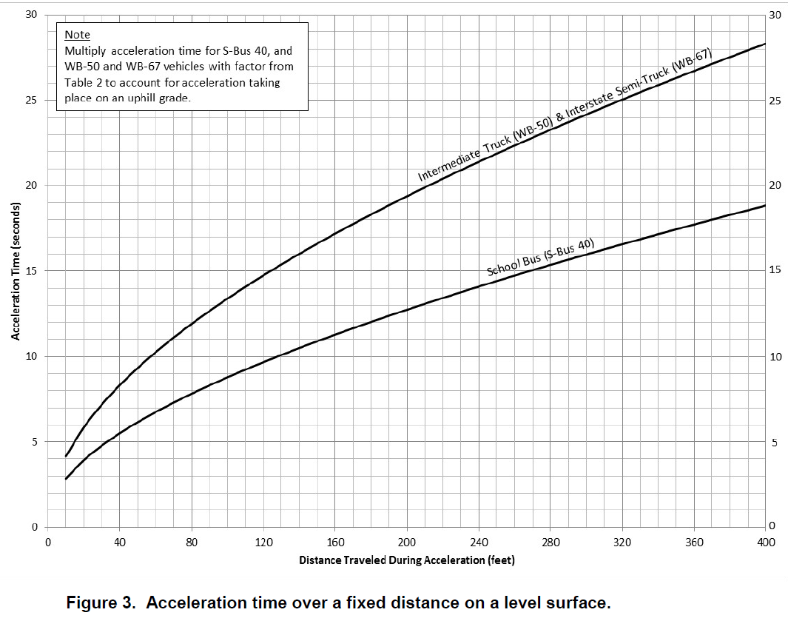
Variables for Reference

Line #
36 | Design vehicle clearance distance, DVCD (feet) |  | 65 | <-------- For Line 37

60 | Design vehicle relocation distance, DVRD (feet) |  | 65 | <-------- For Line 61

Design Vehicle Type: |  | School Bus

