Information Sheet
Instructions:
Blue shaded cells are optional
Yellow shaded cells are required
Leg number is assigned in ascending order starting from due north and continuing clock-wise

Background
Right-turns made while facing a red traffic signal indication, permitted under Wisconsin statute 346.37(1)(c)3, can have a beneficial effect on traffic flow and intersection capacity as they reduce the number of vehicles serviced during the green phase. RTOR volumes are only applicable for dedicated right turn lanes.

The analyst shall not use RTOR volumes in the analysis when field signage prohibits this maneuver during the analysis period.

The equations for each case can be found below:
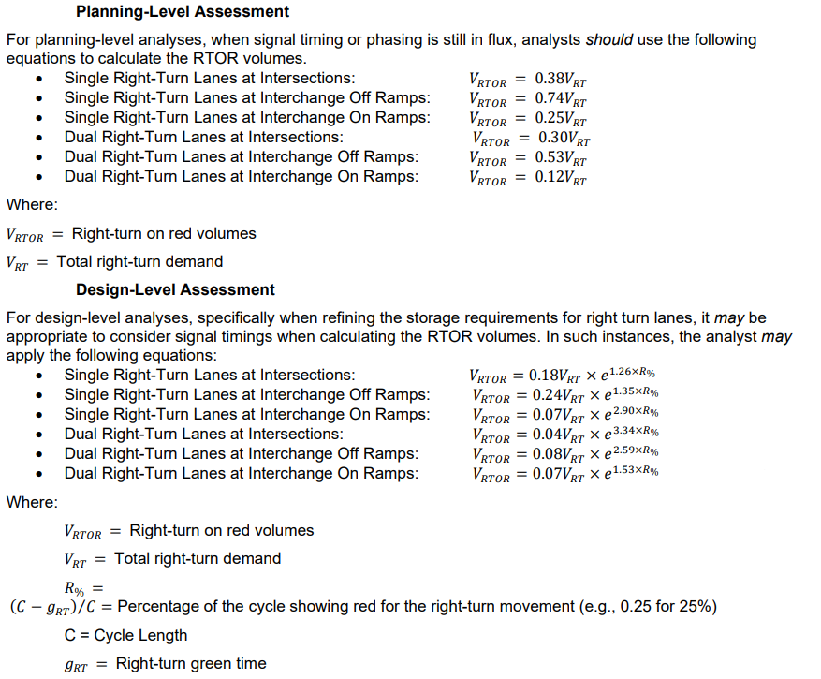

For additional informationregarding RTOR, see TEOpS 16-15-5.2.1 or contact BTO-TASU

PlanningLevelAssessment
Date:

Intersection:

 | Right Turn Demand | RTOR Volume | Right-turn Type:
Leg 1 |  | -
Leg 2 |  | -
Leg 3 |  | -
Leg 4 |  | -



Bureau of Traffic Operations
Last updated: 5/17/2023

